Sheet2
Category | Label | Value1 | Value2 | Value3 | Value4 | Value5 | Value6 | Value7 | Value8 | Value9 | Value10 | Value11
Bug ID | ID number | ID-001 | ID-002 | ID-003 | ID-004 | ID-005 | ID-006 | ID-007 | ID-008 | ID-009 | ID-010 | ID-011
 | Name | Sign in and the question mark are not aligned with the separation dashes | Last item can't be removed from the cart | Search doesn't work as it should | Pictures of pets are mixed up | Password field is not empty initialy | Password is visible on registration page | Data from registration are memorised after we live the page | Internal Server Error when we try to register with wrong data | After successful registration there is no thank you page | All items are set as In stock - false but they can be added to cart | Message about emptu search appears two times
 | Reporter
 | Submit Date | 25.12.2019. | 25.12.2019. | 25.12.2019. | 25.12.2019. | 25.12.2019. | 25.12.2019. | 25.12.2019. | 25.12.2019. | 25.12.2019. | 25.12.2019. | 25.12.2019.
Bug overview | Relates to | UI | Cart | Search | Pictures | Login | Registration | Registration | Registration | Registration | Cart | Search
 | Screenshot |  |  |  |  | 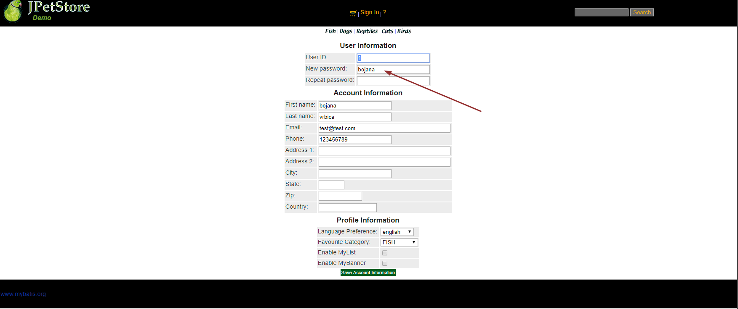 |  |  | 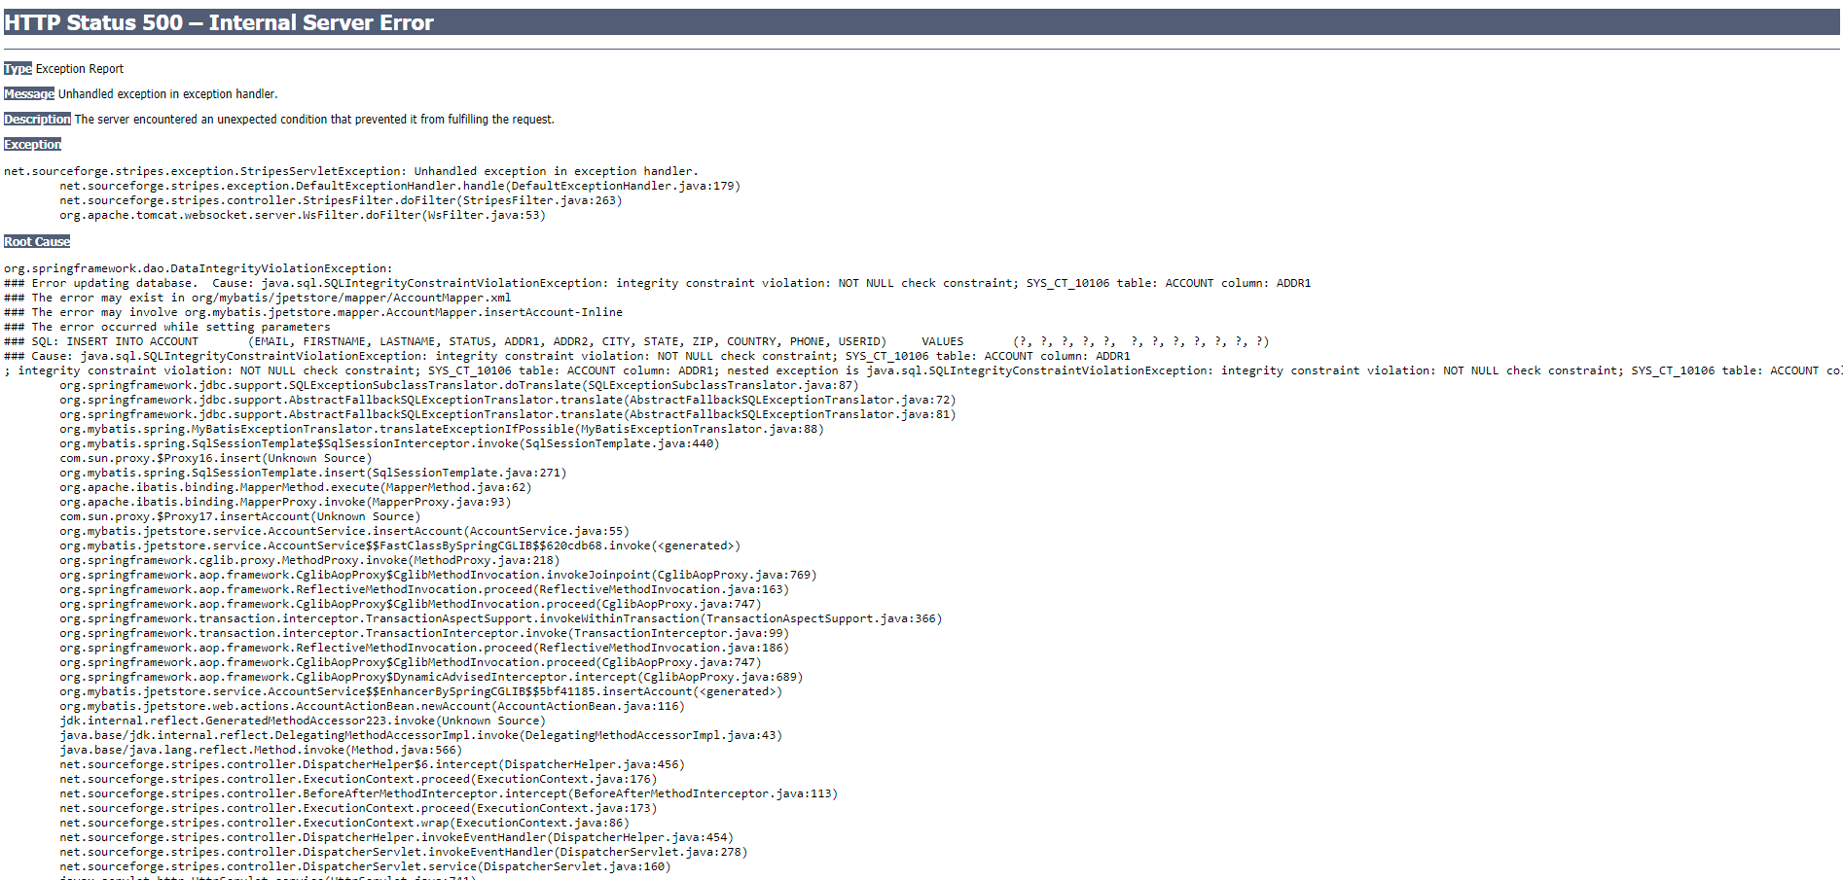
Environment | Platform
 | Operating System | Widows 10 | Widows 10 | Widows 10 | Widows 10 | Widows 10 | Widows 10 | Widows 10 | Widows 10 | Widows 10 | Widows 10 | Widows 10
 | Browser | All browsers | All browsers | All browsers | All browsers | All browsers | All browsers | All browsers | All browsers | All browsers | All browsers | All browsers
Bug details | Steps to reproduce | 1. Go to the https://petstore.octoperf.com/actions/Catalog.action 2. Look at the header | 1. Go to the https://petstore.octoperf.com/actions/Catalog.action 2. Add at least two items in cart 3. Remove them | 1. Go to the https://petstore.octoperf.com/actions/Catalog.action 2. Enter "bird" in the search field and hit enter | 1.Go to the https://petstore.octoperf.com/actions/Catalog.action?viewItem=&itemId=EST-6 2. Look at the picture | 1. Go to the https://petstore.octoperf.com/actions/Account.action?signonForm= 2. Look at the password field | 1. Go to the https://petstore.octoperf.com/actions/Account.action?newAccountForm= 2. Enter something in password field | 1. Go to the https://petstore.octoperf.com/actions/Account.action?newAccountForm= 2. Fill the fields with random data 3. Reload page | 1. Go to the https://petstore.octoperf.com/actions/Account.action?newAccountForm= 2. Fill the password and new password with different value 3. Click on Save account information | 1. Go to the https://petstore.octoperf.com/actions/Account.action 2. Fill the wrong username or password and click login | 1. Go to https://petstore.octoperf.com/actions/Catalog.action?viewProduct=&productId=K9-BD-01 2. Add some item to cart | 1. Go to https://petstore.octoperf.com/actions/Catalog.action 2. Click search with empty search field
 | Expected result | Sign in and the question mark are aligned with the separation dashes | All items are removed from cart | All birds are shown | Buldog picture is shown | Password field is empty | Password is hidden with asterisks | All fields are empty after reloading page | Warrning message about wrong data should appear | Message "Invalid username or password. Login failed." appears | Since there is no items in stock, item shouldn't be added to the cart | Message "Please enter a keyword to search for, then press the search button." appears once
 | Actual result | Sign in and the question mark are not aligned with the separation dashes | Last one can't be removed. Error message Attempted to remove null CartItem from Cart appears | There are no search results | Chihuahua picture is shown | Password field has value | Password is visible | All fields are populated | Internal server error appears | Message "Invalid username or password. Signon failed." appears | Item is added to cart | Message "Please enter a keyword to search for, then press the search button." appears twice
 | Description |  | This bug only happens when there is more then one item in the cart initialy. When there is only one item, cart works as expected | If we search for bird all birds should be listed as results but we don't get any result | All pets has wrong pictures | When we enter login page passwort field is not empty as it should be | When we enter the password it should be hidden but it is not | When we reload page all data should be erased but they are not | When we enter wrong data in some field we are not informed about that but system throws error 500 | Typo in message | We can add item witch is not avaliable to the cart | Message should only appears once
Bug tracking | Severity | low | high | high | medium | high | high | high | high | low | high | low
 | Assigned to
 | Priority | low | high | high | medium | high | high | high | high | low | high | low
Notes

